Sheet1
 | List of fields per Data
List of API | UserProfile | AllUsers | Dormant Account | Security | Breached Email | Breached Phone Numbers
UserProfile
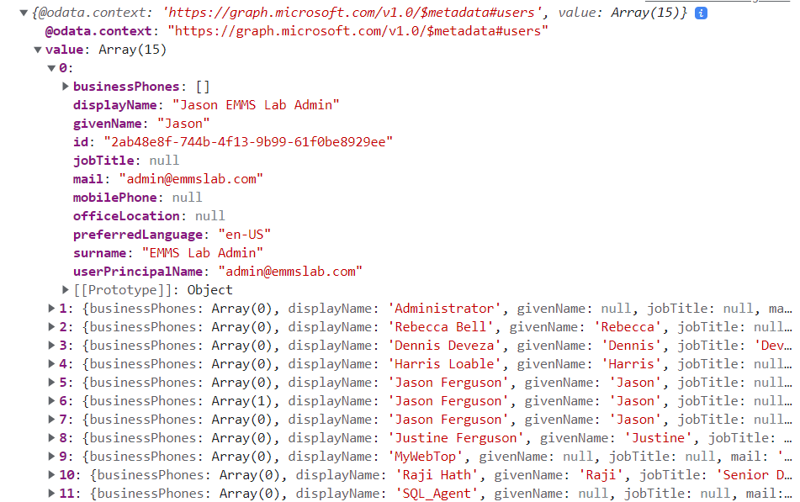
AllUsers
Dormant Account
Security
Breached Email
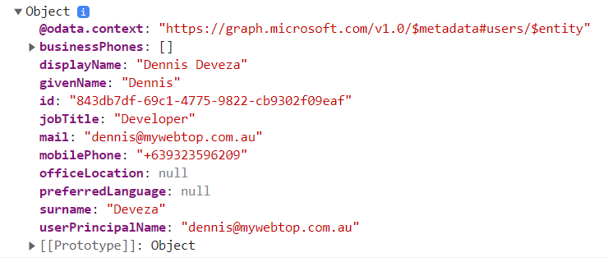
Breached Phone Numbers

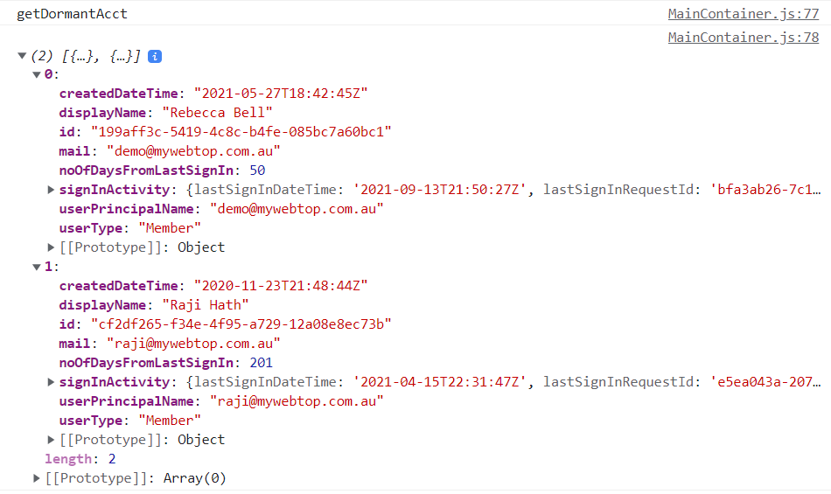

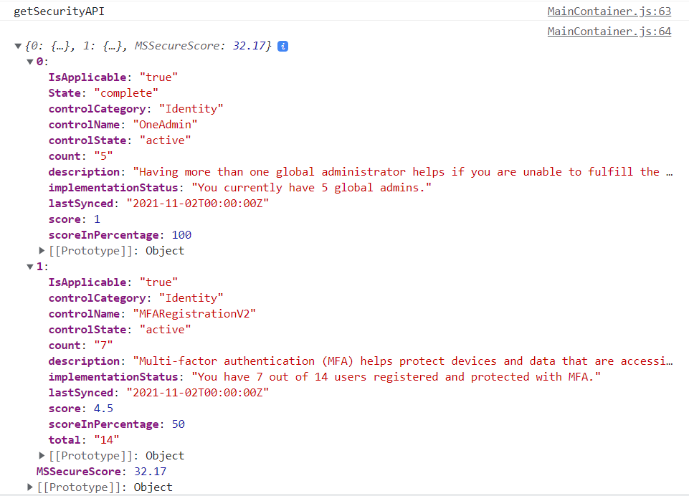
 | UserProfile

 | All user
 | DisplayName | givenName | id | jobTitle | mail | mobilePhone | officeLocation | preferredLanguage | surname | userPrincipalName

 | Security
 | controlcategory | controlName | description | controlSate | count | score | scoreInPercentage | MSSecureScore | implementationStatus

All User
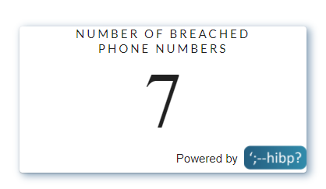
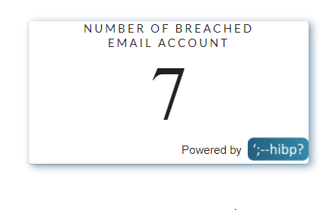

ALL user Data

